OrderDetails
OrderDetailID | OrderID | ProductID | Quantity
1 | 10248 | 11 | 12
2 | 10248 | 42 | 10
3 | 10248 | 72 | 5
4 | 10249 | 14 | 9
5 | 10249 | 51 | 40
6 | 10250 | 41 | 10
7 | 10250 | 51 | 35
8 | 10250 | 65 | 15
9 | 10251 | 22 | 6
10 | 10251 | 57 | 15
11 | 10251 | 65 | 20
12 | 10252 | 20 | 40
13 | 10252 | 33 | 25
14 | 10252 | 60 | 40
15 | 10253 | 31 | 20
16 | 10253 | 39 | 42
17 | 10253 | 49 | 40
18 | 10254 | 24 | 15
19 | 10254 | 55 | 21
20 | 10254 | 74 | 21
21 | 10255 | 2 | 20
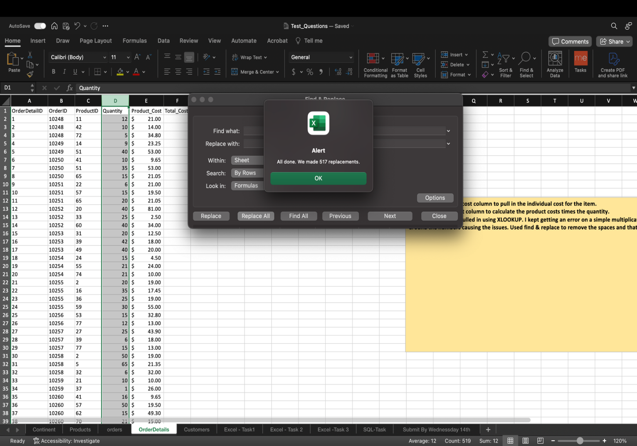
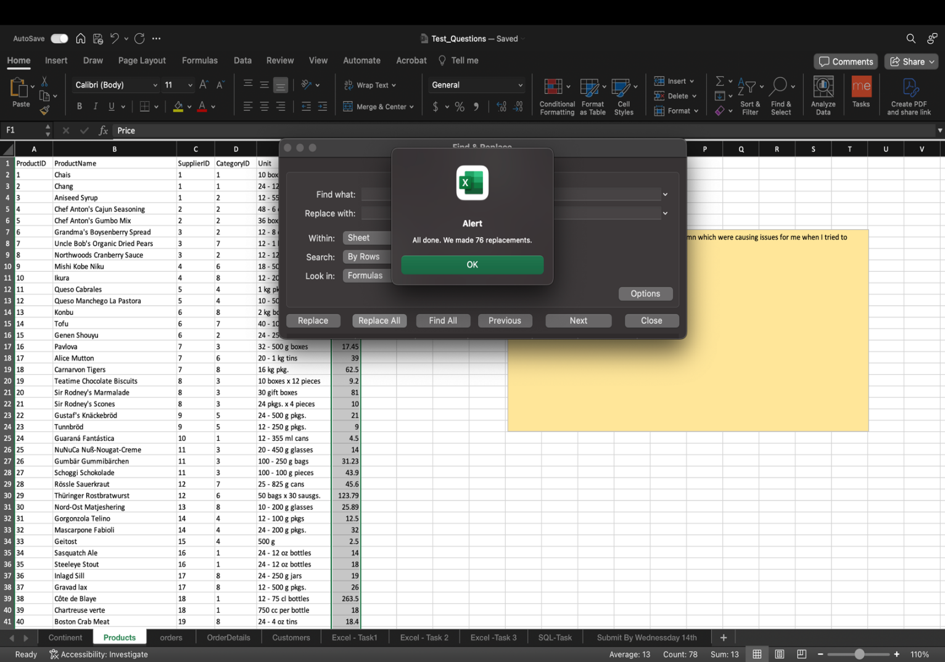
22 | 10255 | 16 | 35
23 | 10255 | 36 | 25
24 | 10255 | 59 | 30
25 | 10256 | 53 | 15
26 | 10256 | 77 | 12
27 | 10257 | 27 | 25
28 | 10257 | 39 | 6
29 | 10257 | 77 | 15
30 | 10258 | 2 | 50
31 | 10258 | 5 | 65
32 | 10258 | 32 | 6
33 | 10259 | 21 | 10
34 | 10259 | 37 | 1
35 | 10260 | 41 | 16
36 | 10260 | 57 | 50
37 | 10260 | 62 | 15
38 | 10260 | 70 | 21
39 | 10261 | 21 | 20
40 | 10261 | 35 | 20
41 | 10262 | 5 | 12
42 | 10262 | 7 | 15
43 | 10262 | 56 | 2
44 | 10263 | 16 | 60
45 | 10263 | 24 | 28
46 | 10263 | 30 | 60
47 | 10263 | 74 | 36
48 | 10264 | 2 | 35
49 | 10264 | 41 | 25
50 | 10265 | 17 | 30
51 | 10265 | 70 | 20
52 | 10266 | 12 | 12
53 | 10267 | 40 | 50
54 | 10267 | 59 | 70
55 | 10267 | 76 | 15
56 | 10268 | 29 | 10
57 | 10268 | 72 | 4
58 | 10269 | 33 | 60
59 | 10269 | 72 | 20
60 | 10270 | 36 | 30
61 | 10270 | 43 | 25
62 | 10271 | 33 | 24
63 | 10272 | 20 | 6
64 | 10272 | 31 | 40
65 | 10272 | 72 | 24
66 | 10273 | 10 | 24
67 | 10273 | 31 | 15
68 | 10273 | 33 | 20
69 | 10273 | 40 | 60
70 | 10273 | 76 | 33
71 | 10274 | 71 | 20
72 | 10274 | 72 | 7
73 | 10275 | 24 | 12
74 | 10275 | 59 | 6
75 | 10276 | 10 | 15
76 | 10276 | 13 | 10
77 | 10277 | 28 | 20
78 | 10277 | 62 | 12
79 | 10278 | 44 | 16
80 | 10278 | 59 | 15
81 | 10278 | 63 | 8
82 | 10278 | 73 | 25
83 | 10279 | 17 | 15
84 | 10280 | 24 | 12
85 | 10280 | 55 | 20
86 | 10280 | 75 | 30
87 | 10281 | 19 | 1
88 | 10281 | 24 | 6
89 | 10281 | 35 | 4
90 | 10282 | 30 | 6
91 | 10282 | 57 | 2
92 | 10283 | 15 | 20
93 | 10283 | 19 | 18
94 | 10283 | 60 | 35
95 | 10283 | 72 | 3
96 | 10284 | 27 | 15
97 | 10284 | 44 | 21
98 | 10284 | 60 | 20
99 | 10284 | 67 | 5
100 | 10285 | 1 | 45
101 | 10285 | 40 | 40
102 | 10285 | 53 | 36
103 | 10286 | 35 | 100
104 | 10286 | 62 | 40
105 | 10287 | 16 | 40
106 | 10287 | 34 | 20
107 | 10287 | 46 | 15
108 | 10288 | 54 | 10
109 | 10288 | 68 | 3
110 | 10289 | 3 | 30
111 | 10289 | 64 | 9
112 | 10290 | 5 | 20
113 | 10290 | 29 | 15
114 | 10290 | 49 | 15
115 | 10290 | 77 | 10
116 | 10291 | 13 | 20
117 | 10291 | 44 | 24
118 | 10291 | 51 | 2
119 | 10292 | 20 | 20
120 | 10293 | 18 | 12
121 | 10293 | 24 | 10
122 | 10293 | 63 | 5
123 | 10293 | 75 | 6
124 | 10294 | 1 | 18
125 | 10294 | 17 | 15
126 | 10294 | 43 | 15
127 | 10294 | 60 | 21
128 | 10294 | 75 | 6
129 | 10295 | 56 | 4
130 | 10296 | 11 | 12
131 | 10296 | 16 | 30
132 | 10296 | 69 | 15
133 | 10297 | 39 | 60
134 | 10297 | 72 | 20
135 | 10298 | 2 | 40
136 | 10298 | 36 | 40
137 | 10298 | 59 | 30
138 | 10298 | 62 | 15
139 | 10299 | 19 | 15
140 | 10299 | 70 | 20
141 | 10300 | 66 | 30
142 | 10300 | 68 | 20
143 | 10301 | 40 | 10
144 | 10301 | 56 | 20
145 | 10302 | 17 | 40
146 | 10302 | 28 | 28
147 | 10302 | 43 | 12
148 | 10303 | 40 | 40
149 | 10303 | 65 | 30
150 | 10303 | 68 | 15
151 | 10304 | 49 | 30
152 | 10304 | 59 | 10
153 | 10304 | 71 | 2
154 | 10305 | 18 | 25
155 | 10305 | 29 | 25
156 | 10305 | 39 | 30
157 | 10306 | 30 | 10
158 | 10306 | 53 | 10
159 | 10306 | 54 | 5
160 | 10307 | 62 | 10
161 | 10307 | 68 | 3
162 | 10308 | 69 | 1
163 | 10308 | 70 | 5
164 | 10309 | 4 | 20
165 | 10309 | 6 | 30
166 | 10309 | 42 | 2
167 | 10309 | 43 | 20
168 | 10309 | 71 | 3
169 | 10310 | 16 | 10
170 | 10310 | 62 | 5
171 | 10311 | 42 | 6
172 | 10311 | 69 | 7
173 | 10312 | 28 | 4
174 | 10312 | 43 | 24
175 | 10312 | 53 | 20
176 | 10312 | 75 | 10
177 | 10313 | 36 | 12
178 | 10314 | 32 | 40
179 | 10314 | 58 | 30
180 | 10314 | 62 | 25
181 | 10315 | 34 | 14
182 | 10315 | 70 | 30
183 | 10316 | 41 | 10
184 | 10316 | 62 | 70
185 | 10317 | 1 | 20
186 | 10318 | 41 | 20
187 | 10318 | 76 | 6
188 | 10319 | 17 | 8
189 | 10319 | 28 | 14
190 | 10319 | 76 | 30
191 | 10320 | 71 | 30
192 | 10321 | 35 | 10
193 | 10322 | 52 | 20
194 | 10323 | 15 | 5
195 | 10323 | 25 | 4
196 | 10323 | 39 | 4
197 | 10324 | 16 | 21
198 | 10324 | 35 | 70
199 | 10324 | 46 | 30
200 | 10324 | 59 | 40
201 | 10324 | 63 | 80
202 | 10325 | 6 | 6
203 | 10325 | 13 | 12
204 | 10325 | 14 | 9
205 | 10325 | 31 | 4
206 | 10325 | 72 | 40
207 | 10326 | 4 | 24
208 | 10326 | 57 | 16
209 | 10326 | 75 | 50
210 | 10327 | 2 | 25
211 | 10327 | 11 | 50
212 | 10327 | 30 | 35
213 | 10327 | 58 | 30
214 | 10328 | 59 | 9
215 | 10328 | 65 | 40
216 | 10328 | 68 | 10
217 | 10329 | 19 | 10
218 | 10329 | 30 | 8
219 | 10329 | 38 | 20
220 | 10329 | 56 | 12
221 | 10330 | 26 | 50
222 | 10330 | 72 | 25
223 | 10331 | 54 | 15
224 | 10332 | 18 | 40
225 | 10332 | 42 | 10
226 | 10332 | 47 | 16
227 | 10333 | 14 | 10
228 | 10333 | 21 | 10
229 | 10333 | 71 | 40
230 | 10334 | 52 | 8
231 | 10334 | 68 | 10
232 | 10335 | 2 | 7
233 | 10335 | 31 | 25
234 | 10335 | 32 | 6
235 | 10335 | 51 | 48
236 | 10336 | 4 | 18
237 | 10337 | 23 | 40
238 | 10337 | 26 | 24
239 | 10337 | 36 | 20
240 | 10337 | 37 | 28
241 | 10337 | 72 | 25
242 | 10338 | 17 | 20
243 | 10338 | 30 | 15
244 | 10339 | 4 | 10
245 | 10339 | 17 | 70
246 | 10339 | 62 | 28
247 | 10340 | 18 | 20
248 | 10340 | 41 | 12
249 | 10340 | 43 | 40
250 | 10341 | 33 | 8
251 | 10341 | 59 | 9
252 | 10342 | 2 | 24
253 | 10342 | 31 | 56
254 | 10342 | 36 | 40
255 | 10342 | 55 | 40
256 | 10343 | 64 | 50
257 | 10343 | 68 | 4
258 | 10343 | 76 | 15
259 | 10344 | 4 | 35
260 | 10344 | 8 | 70
261 | 10345 | 8 | 70
262 | 10345 | 19 | 80
263 | 10345 | 42 | 9
264 | 10346 | 17 | 36
265 | 10346 | 56 | 20
266 | 10347 | 25 | 10
267 | 10347 | 39 | 50
268 | 10347 | 40 | 4
269 | 10347 | 75 | 6
270 | 10348 | 1 | 15
271 | 10348 | 23 | 25
272 | 10349 | 54 | 24
273 | 10350 | 50 | 15
274 | 10350 | 69 | 18
275 | 10351 | 38 | 20
276 | 10351 | 41 | 13
277 | 10351 | 44 | 77
278 | 10351 | 65 | 10
279 | 10352 | 24 | 10
280 | 10352 | 54 | 20
281 | 10353 | 11 | 12
282 | 10353 | 38 | 50
283 | 10354 | 1 | 12
284 | 10354 | 29 | 4
285 | 10355 | 24 | 25
286 | 10355 | 57 | 25
287 | 10356 | 31 | 30
288 | 10356 | 55 | 12
289 | 10356 | 69 | 20
290 | 10357 | 10 | 30
291 | 10357 | 26 | 16
292 | 10357 | 60 | 8
293 | 10358 | 24 | 10
294 | 10358 | 34 | 10
295 | 10358 | 36 | 20
296 | 10359 | 16 | 56
297 | 10359 | 31 | 70
298 | 10359 | 60 | 80
299 | 10360 | 28 | 30
300 | 10360 | 29 | 35
301 | 10360 | 38 | 10
302 | 10360 | 49 | 35
303 | 10360 | 54 | 28
304 | 10361 | 39 | 54
305 | 10361 | 60 | 55
306 | 10362 | 25 | 50
307 | 10362 | 51 | 20
308 | 10362 | 54 | 24
309 | 10363 | 31 | 20
310 | 10363 | 75 | 12
311 | 10363 | 76 | 12
312 | 10364 | 69 | 30
313 | 10364 | 71 | 5
314 | 10365 | 11 | 24
315 | 10366 | 65 | 5
316 | 10366 | 77 | 5
317 | 10367 | 34 | 36
318 | 10367 | 54 | 18
319 | 10367 | 65 | 15
320 | 10367 | 77 | 7
321 | 10368 | 21 | 5
322 | 10368 | 28 | 13
323 | 10368 | 57 | 25
324 | 10368 | 64 | 35
325 | 10369 | 29 | 20
326 | 10369 | 56 | 18
327 | 10370 | 1 | 15
328 | 10370 | 64 | 30
329 | 10370 | 74 | 20
330 | 10371 | 36 | 6
331 | 10372 | 20 | 12
332 | 10372 | 38 | 40
333 | 10372 | 60 | 70
334 | 10372 | 72 | 42
335 | 10373 | 58 | 80
336 | 10373 | 71 | 50
337 | 10374 | 31 | 30
338 | 10374 | 58 | 15
339 | 10375 | 14 | 15
340 | 10375 | 54 | 10
341 | 10376 | 31 | 42
342 | 10377 | 28 | 20
343 | 10377 | 39 | 20
344 | 10378 | 71 | 6
345 | 10379 | 41 | 8
346 | 10379 | 63 | 16
347 | 10379 | 65 | 20
348 | 10380 | 30 | 18
349 | 10380 | 53 | 20
350 | 10380 | 60 | 6
351 | 10380 | 70 | 30
352 | 10381 | 74 | 14
353 | 10382 | 5 | 32
354 | 10382 | 18 | 9
355 | 10382 | 29 | 14
356 | 10382 | 33 | 60
357 | 10382 | 74 | 50
358 | 10383 | 13 | 20
359 | 10383 | 50 | 15
360 | 10383 | 56 | 20
361 | 10384 | 20 | 28
362 | 10384 | 60 | 15
363 | 10385 | 7 | 10
364 | 10385 | 60 | 20
365 | 10385 | 68 | 8
366 | 10386 | 24 | 15
367 | 10386 | 34 | 10
368 | 10387 | 24 | 15
369 | 10387 | 28 | 6
370 | 10387 | 59 | 12
371 | 10387 | 71 | 15
372 | 10388 | 45 | 15
373 | 10388 | 52 | 20
374 | 10388 | 53 | 40
375 | 10389 | 10 | 16
376 | 10389 | 55 | 15
377 | 10389 | 62 | 20
378 | 10389 | 70 | 30
379 | 10390 | 31 | 60
380 | 10390 | 35 | 40
381 | 10390 | 46 | 45
382 | 10390 | 72 | 24
383 | 10391 | 13 | 18
384 | 10392 | 69 | 50
385 | 10393 | 2 | 25
386 | 10393 | 14 | 42
387 | 10393 | 25 | 7
388 | 10393 | 26 | 70
389 | 10393 | 31 | 32
390 | 10394 | 13 | 10
391 | 10394 | 62 | 10
392 | 10395 | 46 | 28
393 | 10395 | 53 | 70
394 | 10395 | 69 | 8
395 | 10396 | 23 | 40
396 | 10396 | 71 | 60
397 | 10396 | 72 | 21
398 | 10397 | 21 | 10
399 | 10397 | 51 | 18
400 | 10398 | 35 | 30
401 | 10398 | 55 | 120
402 | 10399 | 68 | 60
403 | 10399 | 71 | 30
404 | 10399 | 76 | 35
405 | 10399 | 77 | 14
406 | 10400 | 29 | 21
407 | 10400 | 35 | 35
408 | 10400 | 49 | 30
409 | 10401 | 30 | 18
410 | 10401 | 56 | 70
411 | 10401 | 65 | 20
412 | 10401 | 71 | 60
413 | 10402 | 23 | 60
414 | 10402 | 63 | 65
415 | 10403 | 16 | 21
416 | 10403 | 48 | 70
417 | 10404 | 26 | 30
418 | 10404 | 42 | 40
419 | 10404 | 49 | 30
420 | 10405 | 3 | 50
421 | 10406 | 1 | 10
422 | 10406 | 21 | 30
423 | 10406 | 28 | 42
424 | 10406 | 36 | 5
425 | 10406 | 40 | 2
426 | 10407 | 11 | 30
427 | 10407 | 69 | 15
428 | 10407 | 71 | 15
429 | 10408 | 37 | 10
430 | 10408 | 54 | 6
431 | 10408 | 62 | 35
432 | 10409 | 14 | 12
433 | 10409 | 21 | 12
434 | 10410 | 33 | 49
435 | 10410 | 59 | 16
436 | 10411 | 41 | 25
437 | 10411 | 44 | 40
438 | 10411 | 59 | 9
439 | 10412 | 14 | 20
440 | 10413 | 1 | 24
441 | 10413 | 62 | 40
442 | 10413 | 76 | 14
443 | 10414 | 19 | 18
444 | 10414 | 33 | 50
445 | 10415 | 17 | 2
446 | 10415 | 33 | 20
447 | 10416 | 19 | 20
448 | 10416 | 53 | 10
449 | 10416 | 57 | 20
450 | 10417 | 38 | 50
451 | 10417 | 46 | 2
452 | 10417 | 68 | 36
453 | 10417 | 77 | 35
454 | 10418 | 2 | 60
455 | 10418 | 47 | 55
456 | 10418 | 61 | 16
457 | 10418 | 74 | 15
458 | 10419 | 60 | 60
459 | 10419 | 69 | 20
460 | 10420 | 9 | 20
461 | 10420 | 13 | 2
462 | 10420 | 70 | 8
463 | 10420 | 73 | 20
464 | 10421 | 19 | 4
465 | 10421 | 26 | 30
466 | 10421 | 53 | 15
467 | 10421 | 77 | 10
468 | 10422 | 26 | 2
469 | 10423 | 31 | 14
470 | 10423 | 59 | 20
471 | 10424 | 35 | 60
472 | 10424 | 38 | 49
473 | 10424 | 68 | 30
474 | 10425 | 55 | 10
475 | 10425 | 76 | 20
476 | 10426 | 56 | 5
477 | 10426 | 64 | 7
478 | 10427 | 14 | 35
479 | 10428 | 46 | 20
480 | 10429 | 50 | 40
481 | 10429 | 63 | 35
482 | 10430 | 17 | 45
483 | 10430 | 21 | 50
484 | 10430 | 56 | 30
485 | 10430 | 59 | 70
486 | 10431 | 17 | 50
487 | 10431 | 40 | 50
488 | 10431 | 47 | 30
489 | 10432 | 26 | 10
490 | 10432 | 54 | 40
491 | 10433 | 56 | 28
492 | 10434 | 11 | 6
493 | 10434 | 76 | 18
494 | 10435 | 2 | 10
495 | 10435 | 22 | 12
496 | 10435 | 72 | 10
497 | 10436 | 46 | 5
498 | 10436 | 56 | 40
499 | 10436 | 64 | 30
500 | 10436 | 75 | 24
501 | 10437 | 53 | 15
502 | 10438 | 19 | 15
503 | 10438 | 34 | 20
504 | 10438 | 57 | 15
505 | 10439 | 12 | 15
506 | 10439 | 16 | 16
507 | 10439 | 64 | 6
508 | 10439 | 74 | 30
509 | 10440 | 2 | 45
510 | 10440 | 16 | 49
511 | 10440 | 29 | 24
512 | 10440 | 61 | 90
513 | 10441 | 27 | 50
514 | 10442 | 11 | 30
515 | 10442 | 54 | 80
516 | 10442 | 66 | 60
517 | 10443 | 11 | 6
518 | 10443 | 28 | 12

